CCS Data
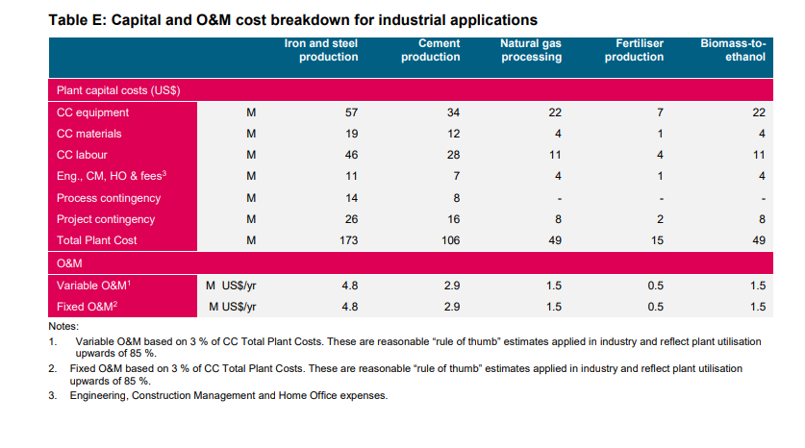

Shares by Industry | Iron and Steel | Cement | Nat Gas | Fertilizer | Biomass-to-ethanol
equipment | 57 | 34 | 22 | 7 | 22
materials | 19 | 12 | 4 | 1 | 4
labor | 46 | 28 | 11 | 4 | 11
Eng/CM/HO/Fees | 11 | 7 | 4 | 1 | 4
Contingencies | 40 | 24 | 8 | 2 | 8

Shares by Industry | Iron and Steel | Cement | Nat Gas | Fertilizer | Biomass-to-ethanol | Average
equipment | 32.9% | 32.4% | 44.9% | 46.7% | 44.9% | 0.40358302859
materials | 11.0% | 11.4% | 8.2% | 6.7% | 8.2% | 0.090808855334
labor | 26.6% | 26.7% | 22.4% | 26.7% | 22.4% | 0.24964177579
Eng/CM/HO/Fees | 6.4% | 6.7% | 8.2% | 6.7% | 8.2% | 0.072036490897
Contingencies | 23.1% | 22.9% | 16.3% | 13.3% | 16.3% | 0.1839298494

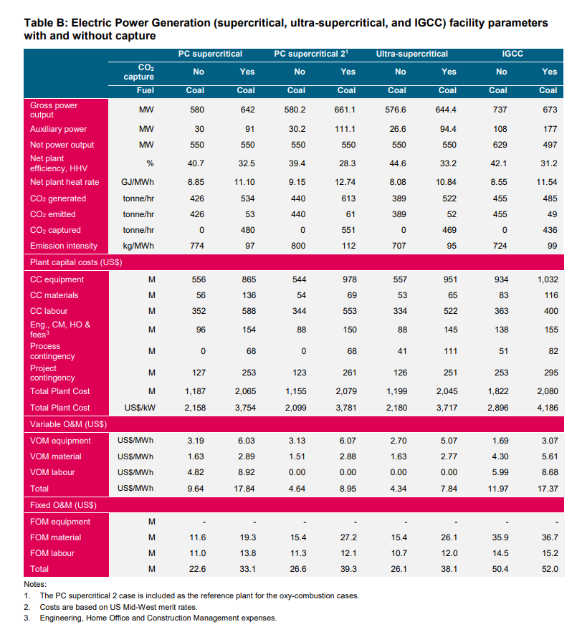

Incremental O&M | PCS1
VOM
equipment | 2.84
material | 1.26
labor | 4.1
FOM
equipment | 0
material | 7.7
labor | 2.8

Incremental O&M %
VOM
equipment | 0.34634146341
material | 0.15365853659
labor | 0.5
FOM
equipment | 0
material | 0.73333333333
labor | 0.26666666667

Estimated FOM and VOM costs at 50% CF
22600000 | FOM
23222760 | VOM

Share OM Costs
equipment | 0.17552423038
material | 0.43955686324
labor | 0.38491890638

Industry EE
